2a
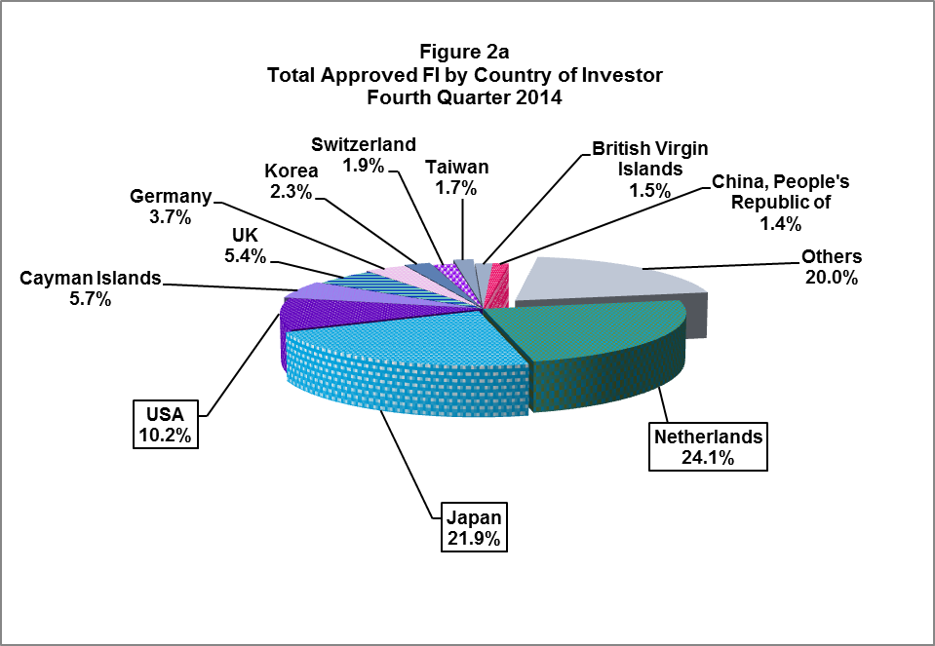
Table 2a
Total Approved Foreign Investments by Country of Investor
First Quarter 2013 to Fourth Quarter 2014
(in million pesos)

 | Approved FI |  |  |  |  |  |  |  |  |  | Percent to Total Q4 2014 | Growth Rate Q4 2013 - Q4 2014
Country | 2013 |  |  |  |  | 2014
 | Q1 | Q2 | Q3 | Q4 | Total | Q1 | Q2 | Q3 | Q4 | Total

Australia | 435.3 | 1,945.8 | 99.6 | 2,001.7 | 4,482.4 | 1,006.8 | 203.0 | 498.0 | 741.4 | 2,449.3 | 0.8 | (63.0)
British Virgin Islands | 35,270.9 | 1,073.4 | 10,294.8 | 46,141.7 | 92,780.9 | 325.4 | 5,459.1 | 117.3 | 1,426.4 | 7,328.3 | 1.5 | (96.9)
Canada | 11.1 | 120.9 | 381.3 | 2,208.0 | 2,721.3 | - | 34.4 | 135.4 | 188.0 | 357.9 | 0.2 | (91.5)
Cayman Islands | - | - | 34.1 | 7,264.4 | 7,298.5 | - | 9,978.8 | - | 5,466.0 | 15,444.8 | 5.7 | (24.8)
China, People's Republic of | 126.5 | 119.1 | 303.3 | 692.1 | 1,240.9 | 9,043.2 | 578 | 534.6 | 1,320.5 | 11,476.4 | 1.4 | 90.8
Denmark | 8.1 | 0.0 | - | 599.0 | 607.2 | 0.0 | 771.3 | 0.2 | 16.5 | 788.0 | 0.0 | (97.2)
France | 96.3 | 30.2 | 0.0 | 253.2 | 379.8 | 12.9 | 3.5 | - | 538.3 | 554.7 | 0.6 | 112.6
Germany | 1.3 | 16.6 | 28.6 | 2,999.7 | 3,046.3 | 2,622.4 | 261.5 | 454.4 | 3,506.8 | 6,845.1 | 3.7 | 16.9
Hongkong | 55.2 | 31.1 | 2.2 | 495.8 | 584.4 | 184.7 | 147.4 | 54.4 | 730.0 | 1,116.4 | 0.8 | 47.2
India | 76.8 | 2.2 | 114.4 | 390.3 | 583.7 | 63.3 | 0.0 | 17.2 | 568.3 | 648.8 | 0.6 | 45.6
Japan | 5,228.5 | 4,235.2 | 5,943.6 | 29,377.1 | 44,784.4 | 8,327.4 | 2,770.4 | 3,681.6 | 20,880.4 | 35,659.9 | 21.9 | (28.9)
Korea | 329.2 | 1,398.7 | 2,590.2 | 4,209.2 | 8,527.3 | 173.1 | 1,348.4 | 468.3 | 2,165.2 | 4,155.1 | 2.3 | (48.6)
Malaysia |  | 318.3 | 460.1 | 83.6 | 862.0 | 0.0 | 150.0 | 52.8 | 148.2 | 351.1 | 0.2 | 77.2
Netherlands | 2,163.9 | 3,830.2 | 4,368.7 | 14,444.9 | 24,807.7 | 2,848.2 | 2,536.7 | 4,444.1 | 22,955.1 | 32,784.0 | 24.1 | 58.9
Singapore | 870.0 | 580.2 | 2,852.7 | 4,939.1 | 9,242.1 | 4,257.3 | 7,780.3 | 890.9 | 1,016.3 | 13,944.8 | 1.1 | (79.4)
Switzerland | 88.2 |  | 196.0 | 82.0 | 366.1 | 166.2 | 3.7 | 179.2 | 1,826.2 | 2,175.3 | 1.9 | 2,126.7
Taiwan | 453.5 | 642.8 | 355.6 | 1,688.4 | 3,140.3 | 21.2 | 895.2 | 396.0 | 1,665.1 | 2,977.4 | 1.7 | (1.4)
Thailand | 0.0 | 19.2 | - | 88.5 | 107.7 | 237.3 | 0.0 | - | 9.1 | 246.4 | 0.0 | (89.7)
UK | 457.9 | 159.1 | 99.2 | 755.3 | 1,471.5 | 1,486.2 | 19.2 | 388.8 | 5,173.1 | 7,067.3 | 5.4 | 584.9
USA | 1,128.6 | 43,166.1 | 3,084.5 | 7,964.4 | 55,343.6 | 3,415.6 | 1,450.1 | 2,809.1 | 9,748.3 | 17,423.0 | 10.2 | 22.4
Others | 3,503.8 | 1,139.7 | 1,711.2 | 5,280.7 | 11,635.5 | 3,222.2 | 1,639.4 | 3,191.2 | 15,096.4 | 23,149.1 | 15.9 | 185.9
Total | 50,305.2 | 58,829.0 | 32,920.0 | 131,959.3 | 274,013.6 | 37,413.4 | 36,030.6 | 18,313.5 | 95,185.6 | 186,943.1 | 100.0 | (27.9)

Notes:
Details may not add up to totals due to rounding.
Sources of basic data: Board of Investments (BOI), Clark Development Corporation (CDC), Cagayan Economic Zone Authority (CEZA) Philippine Economic Zone Authority (PEZA), Subic Bay Metropolitan Aurhority (SBMA), Authority of the Freeport Area of Bataan (AFAB), and Board of Investments ARMM (BOI ARMM).

