6a
Table 6a
Total Approved Investments by Nationality (Filipino and Foreign) and by Investment Promotion Agency
First Quarter 2013 to Fourth Quarter 2014
(in million pesos)

 | 2013
Agency | 1st Quarter |  |  | 2nd Quarter |  |  | 3rd Quarter |  |  | 4th Quarter
 | Filipinoa/ | Foreign | Total | Filipinoa/ | Foreign | Total | Filipinoa/ | Foreign | Total | Filipinoa/ | Foreign | Total

AFAB | 60.6 | - | 60.6 | - | - | - | 13.1 | 108.7 | 121.8 | 5.2 | 2,012.0 | 2,017.2
BOI | 80,025.6 | 17,164.3 | 97,189.9 | 97,911.0 | 45,641.4 | 143,552.5 | 127,919.1 | 3,879.8 | 131,798.9 | 39,530.4 | 53,960.7 | 93,491.1
BOI ARMM | 365.0 | - | 365.0 | - | - | - | 90.0 | - | 90.0 | 768.0 | 322.0 | 1,090.0
CDC | 31.6 | 50.4 | 82.1 | 717.3 | 749.2 | 1,466.5 | 88.6 | 159.7 | 248.3 | 569.0 | 1,026.7 | 1,595.6
CEZA | 176.1 | 86.2 | 262.3 | 33.8 | 28.7 | 62.5 | 328.6 | 46.1 | 374.7 | 15.1 | 438.8 | 453.9
PEZA | 20,882.6 | 32,869.5 | 53,752.1 | 17,569.8 | 12,370.3 | 29,940.1 | 27,552.8 | 28,346.5 | 55,899.3 | 62,450.9 | 74,084.5 | 136,535.4
SBMA | 420.3 | 134.7 | 555.0 | 1,786.9 | 39.4 | 1,826.2 | 337.8 | 379.3 | 717.1 | 369.8 | 114.6 | 484.4
Total | 101,961.8 | 50,305.2 | 152,267.0 | 118,018.8 | 58,829.0 | 176,847.8 | 156,330.1 | 32,920.0 | 189,250.1 | 103,708.4 | 131,959.3 | 235,667.7
% Share to Total | 67.0 | 33.0 | 100.0 | 66.7 | 33.3 | 100.0 | 82.6 | 17.4 | 100.0 | 44.0 | 56.0 | 100.0

 | 2014
Agency | 1st Quarter |  |  | 2nd Quarter |  |  | 3rd Quarter |  |  | 4th Quarter
 | Filipinoa/ | Foreign | Total | Filipinoa/ | Foreign | Total | Filipinoa/ | Foreign | Total | Filipinoa/ | Foreign | Total

AFAB | 849.1 | - | 849.1 | 84,284.3 | 74.6 | 84,358.9 | 130.3 | 155.6 | 285.9 | 39.2 | 175.8 | 214.9
BOI | 42,080.7 | 4,686.4 | 46,767.1 | 95,907.0 | 6,776.1 | 102,683.1 | 110,686.6 | 1,933.4 | 112,619.9 | 69,195.2 | 23,492.4 | 92,687.7
BOI ARMM | 1,414.7 | 36.9 | 1,451.6 | 757.3 | 314.7 | 1,072.0 | 620.7 | 228.00 | 848.7 | 495.4 | - | 495.4
CDC | 346.1 | 358.6 | 704.8 | 796.7 | 7,582.1 | 8,378.8 | 2,509.5 | 579.9 | 3,089.4 | 418.2 | 449.7 | 867.8
CEZA | 10.2 | 36.7 | 47.0 | 15.2 | 14.4 | 29.7 | 155.2 | 82.0 | 237.2 | 96.5 | 208.7 | 305.2
PEZA | 24,923.2 | 20,976.4 | 45,899.6 | 39,999.2 | 21,080.9 | 61,080.1 | 26,023.8 | 15,210.1 | 41,233.9 | 61,051.6 | 70,212.2 | 131,263.8
SBMA | 320.6 | 11,318.4 | 11,639.0 | 37.1 | 187.6 | 224.7 | 1,131.3 | 124.5 | 1,255.7 | 4,673.9 | 646.8 | 5,320.7
Total | 69,944.6 | 37,413.4 | 107,358.0 | 221,796.8 | 36,030.5 | 257,827.3 | 141,257.3 | 18,313.5 | 159,570.8 | 135,969.9 | 95,185.6 | 231,155.5
% Share to Total | 65.2 | 34.8 | 100.0 | 86.0 | 14.0 | 100.0 | 88.5 | 11.5 | 100.0 | 58.8 | 41.2 | 100.0

 | Growth Rate
Agency | Q4 2013-Q4 2014
 | Filipinoa/ | Foreign | Total

AFAB | 659.1 | (91.3) | (89.3)
BOI | 75.0 | (56.5) | (0.9)
BOI ARMM | (35.5) | (100.0) | -
CDC | (26.5) | (56.2) | (45.6)
CEZA | 538.0 | (52.4) | (32.8)
PEZA | (2.2) | (5.2) | (3.9)
SBMA | 1,163.8 | 464.4 | 998.3
Total | 31.1 | (27.9) | (1.9)

a/ Includes all committed investments of Filipinos in wholly and partially owned companies.
Notes:
Details may not add up to totals due to rounding.
Sources of basic data: Board of Investments (BOI), Clark Development Corporation (CDC), Cagayan Economic Zone Authority (CEZA) Philippine Economic Zone Authority (PEZA), Subic Bay Metropolitan Aurhority (SBMA) Authority of the Freeport Area of Bataan (AFAB), and Board of Investments ARMM (BOI ARMM).

 |  |  |  |  |  | Figure 6a
 |  |  |  |  |  | Percent share of Total Approved Investments
 |  |  |  |  |  | Foreign and Filipino Nationals
 |  |  |  |  |  | Q4 2013 and Q4 2014
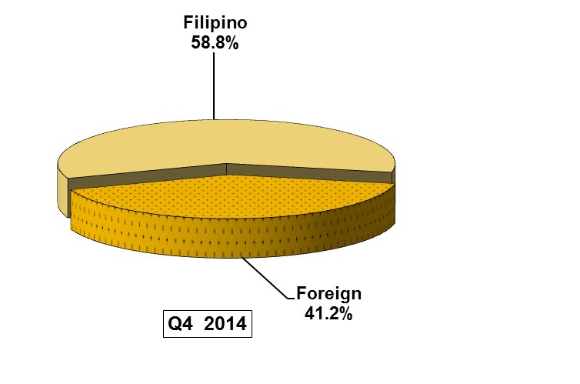
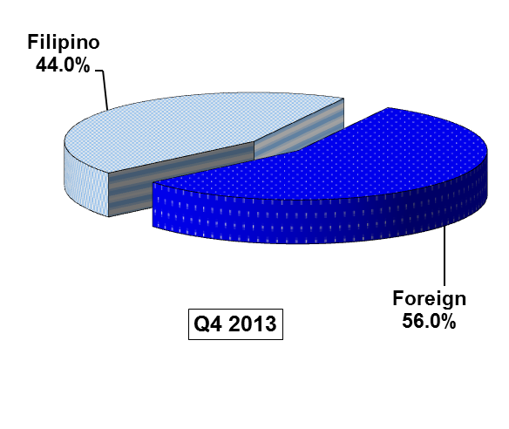

Total Approved Investments Sem1 2008 and Sem1 2009
 | #REF! | #REF!
1 | 1 | 1

